Master
Technical Data Sheet - High Temp ( 75-80°C) Heat Pump (Air to Water)
 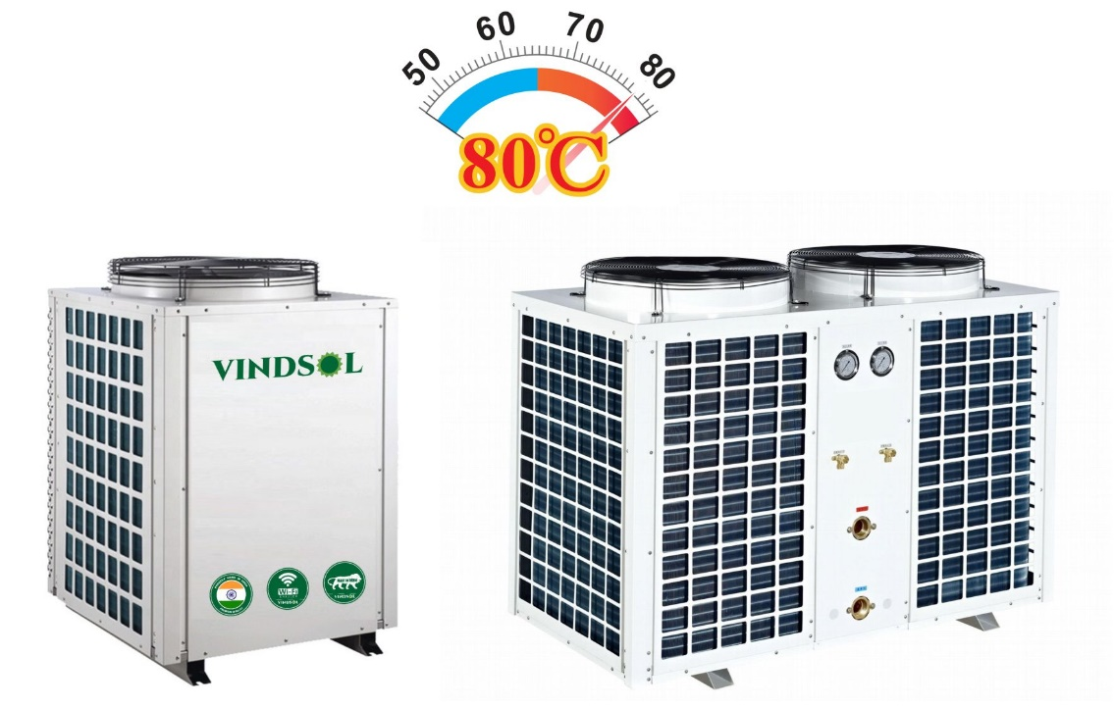
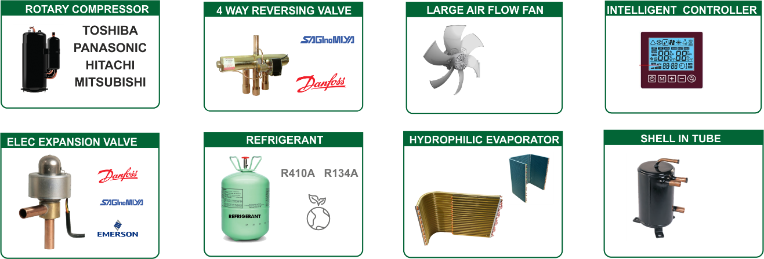 Characteristics: 1) Adopts Tube in Shell / Tube In Tube heat exchanger and with inbuilt Circulating Pump inside. 2) Efficient Rotary compressor; Safe, Reliables, Stable running & durable. 3) Efficient Saginomya four-way valve; It is very efficient in defrosting in low ambient temp 4) Saginomya / SANHUA /EMERSON Electronic Expansion Valve (EEV) or Thernostatic expnasion valve 5) Tube in tube heat exchanger inside with higher heat exchange efficiency than tube in shell heat exchanger used by others, with higher reliability & longer lifetime. 6) Green & Environment-friendly Refrigerant : R134A 7) Full consideration for noise control; Compressor rubber feet specially selected to reduce vibration. 8) Unique super energy saving controlling system can save extra 10% energy than other units in market. 9) Reliable Design and Strict Quality Control; All products 100% are tested and run at the factory to assure proper operation of all components and safety switches.

Copeland ZW Scroll: Dedicated Scroll for Commercial Industrial High temperature Heating requirements
Water heating is characterized by long operating hours at both high load and high compression ratios. Demand for hot water is at its highest when ambients are low and when conventional heat pump capacity falls off. ZW**KA compressors are designed for reliable operation for heavier duty applications where the ambient temperature does not fall below 0°C; with significantly enhanced heating capacity, higher efficiency, and minimal requirement to reduce water outlet temperatures. |  |  |  | 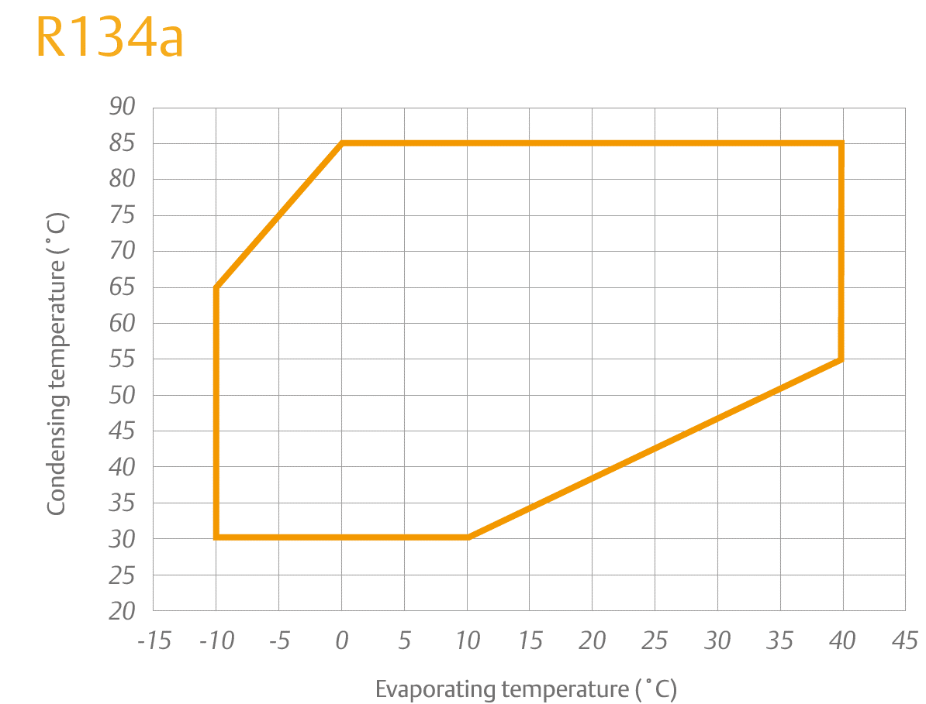

MAIN FUNCTIONS OF HEAT PUMPS
Heat pump protection | High pressure protection |  | When water flow is too small or water temp. too high ,will prevent compressor to be damaged
 | Low pressure protection |  | When refrigerant leaked , prevent compressor work without pressure.
 | Compressor over current protection |  | Prevent compressor to work when current over max value
 | Phase protection |  | Wrong phase/ absent phase protection (for 380V)
 | Anti-freezing protection |  | Prevent water pipes and water tank freezing
Project function | Water level indication |  | Indicate high/low water level
 | constant water temp. replenishing |  | Replenishing water temp. can be set, make water tank temp. constant
 | Timing water temp. replenishing |  | Can set heat pump replenish cold water at certain time
 | Timing hot water supply |  | Can supply hot water at certain time
 | Cycle water(return water ) setting |  | Can set cycle water temp.
 | Timing start/stop heat pump |  | Can set 2 group of start/stop timing
 | Manual switch |  | Seperated start/stop signal can be connected with solr system(for choice
Technical Specification
Model No |  |  | VCHT-130BC
Heating capacity |  | kW | 128
Heating capacity |  | Btu/h | 436754
Rated heated water output Heating: Ambient temp. (DB/WB): 20℃/15℃, water temp. (input/output): 15℃/75℃ |  | L/h | 1835
Rated heated water output Heating: Ambient temp. (DB/WB): 30℃/25℃, water temp. (input/output): 30℃/75℃. |  | L/h | 2439
Rated outlet water temp. 1 |  | ℃ | 75
Max outlet water temp. |  | ℃ | 80
Power |  | V/Ph/Hz | 380 ～ 415V/3N～/50Hz
Rated input power |  | kW | 41.2
Rated input current |  | A | 73.6
Compressor | Compressor type |  | Scroll*4
 | Compressor brand |  | Emerson Copeland Scroll
 | Throttle type |  | Electronic expansion valve (EEV)
Fan | type |  | Low noise high efficiency axial type
 | direction |  | Vertical
 | Qty |  | 4
 | input power | W | 750
 | speed | RPM | 940
Evaporator | fin type |  | Hydrophilic aluminium
 | tube type |  | Innergroove tube
Heat Exchanger | Type |  | High efficiency tube in tube heat exchanger
 | Qty |  | 4
Controller type |  |  | Next Gen Intelligent PCB controller LCD type
Ambient Temperature |  | ℃ | (5°C ～43°C)
Refrigerant |  |  | R134A
Protection |  |  | Under / Over voltage protection, Under /Over current protection, Open phase, Phase reversal, Phase imbalance, Compressor high discharge temperature protection, Compressor high discharge pressure protection, Compressor overload, Anti-Freeze protection.
Noise in 1 meter |  | dB(A) | 74
Water pipe size |  | (mm) | Rc2-1/2(DN65)
Water flow volume |  | m3/h | 39
Cabinet |  |  | Galvanized powder coatedsteel(Stainless steel )
Unit Size |  | mm | 2324/2009/2055
N.W |  | kg | 1650
Complete water Heating Solutions |  | Mechzephyr Engineering Pvt Ltd shed No A 70 , KSSIDC , Bommasandra Industrial Area, Bangalore – 560099 Mobile : 9900095490 | Email: deepak@vindsol.in |  | Domestic water heat pumps Commercial Water Heat Pumps Next Gen Thermodynamics Heat Pumps Swimming pool heat pump

